NB
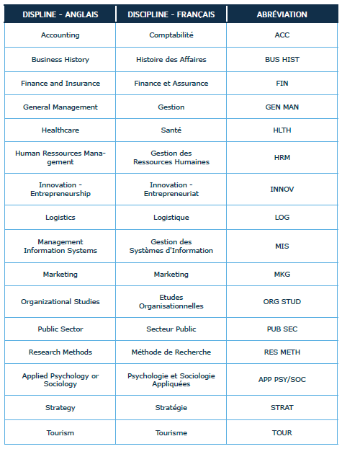
Classement 2019 des revues FNEGE - par rang et par discipline
Source : | https://www.fnege.org/publications/classement-des-revues

